TestCase
Case No | Module | Type of Testing | Features | Test Cases | Pre-Requisites | Test Steps | Exepected Result | Actual Result | Test Data | Bug Screen Shot | Final Status
TC_1 |  | Browser Compatibility Testing |  | Checking by running the site in different browsers |  | 1. Go to different browsers 2. Search '91mobiles' 3. Go to the website | Should run in different browsers | Found as per expectation | Chrome Mozilla Firefox Microsoft Edge |  | Passed
 |  |  |  |  |  |  |  |  |  |  | -
TC_2 | User management | Functional Testing | Sign up | Checking by inputing valid email & password format | Open the website (https://www.91mobiles.com/) | 1. Click on Login/Signup 2. Go to Sign up tab 3. Enter valid email id & valid password 4. Click on captcha & sign up | 1. User should successfully sign up 2. User should land on Home page | Found as per expectation | Email id - kshamasawant21@gmail.com |  | Passed
TC_3 |  |  |  | Checking confirmation mail sent to the registered email | Open the website (https://www.91mobiles.com/) | 1. Click on Login/Signup 2. Go to Sign up tab 3. Enter email id & password 4. Click on captcha & sign up | Email Sent successfully | Found as per expectation | Email id - kshamasawant21@gmail.com |  | Passed
TC_4 |  |  |  | Checking by inputing invalid email format | Open the website (https://www.91mobiles.com/) | 1. Click on Login/Signup 2. Go to Sign up tab 3. Enter invalid email id & valid password 4. Click on captcha & sign up | Should not accept the provided input and display an error message | Able to sign up | Email id - 124r3@gmail.com ; Pwd - 123456 | 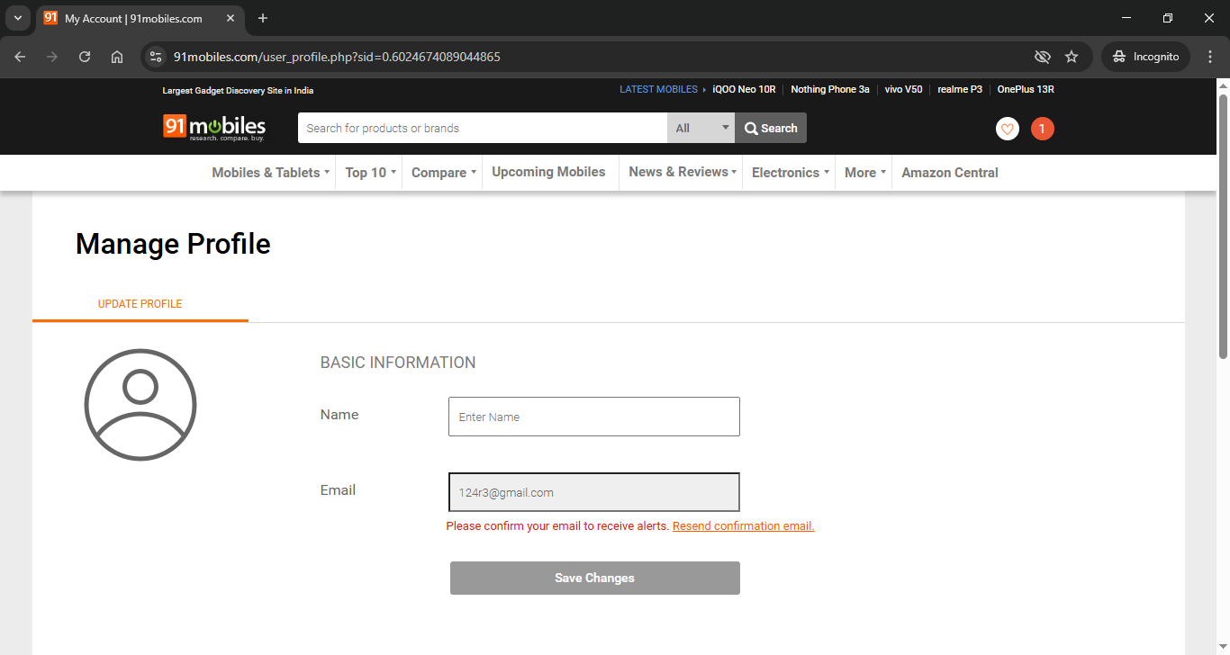 | Failed
TC_5 |  |  |  | Inputing weak password length | Open the website (https://www.91mobiles.com/) | 1. Click on Login/Signup 2. Go to Sign up tab 3. Enter valid email id & single digit password 4. Click on captcha & sign up | Should not accept the provided input and display an error message | Able to sign up | Email id - abc@gmail.com ; Pwd - 1 |  | Failed
TC_6 |  |  |  | Checking without clicking on captcha | Open the website (https://www.91mobiles.com/) | 1. Click on Login/Signup 2. Go to Sign up tab 3. Enter valid email id & single digit password 4. Click on sign up | Should not accept the provided input and display an error message | Found as per expectation |  |  | Passed
TC_7 |  |  |  | Keeping mandatory fields blank | Open the website (https://www.91mobiles.com/) | 1. Click on Login/Signup 2. Go to Sign up tab 3. Click on sign up | Should not allow user to register and pop an error message | Found as per expectation |  |  | Passed
TC_8 |  |  |  | Validating an email id can only be used one time | 1. Open the website (https://www.91mobiles.com/) 2.Mail id should be already registered | 1. Click on Login/Signup 2. Go to Sign up tab 3. Enter email id & password 4. Click on captcha & sign up | Sholud not allow user to register and pop an error message | Found as per expectation | Email id - kshamasawant21@gmail.com |  | Passed
TC_9 |  |  |  | Checking password and confirm field values are masked | Open the website (https://www.91mobiles.com/) | 1. Click on Login/Signup 2. Go to Sign up tab 3. Enter password | Should be masked | Found as per expectation | Email id - abc@gmail.com ; Pwd - 1 |  | Passed
TC_10 |  |  |  | Checking new captcha is generated on page reload | Open the website (https://www.91mobiles.com/) | 1. Click on Login/Signup 2. Go to Sign up tab 3. Fill all the details in email id & password 4. Reload the page | Should generate new captcha | Found as per expectation |  |  | Passed
TC_11 |  |  |  | Checking new captcha is generated adding wrong captcha | Open the website (https://www.91mobiles.com/) | 1. Click on Login/Signup 2. Go to Sign up tab 3. Fill all the details in email id & password 4. Input wrong captcha | Should generate new captcha | Found as per expectation |  |  | Passed
TC_12 |  |  |  | Checking reload captcha option | Open the website (https://www.91mobiles.com/) | 1. Click on Login/Signup 2. Go to Sign up tab 3. Fill all the details in email id & password 4. Click on Captcha & Reload captcha | Should generate new captcha | Found as per expectation |  |  | Passed
 |  |  |  |  |  |  |  |  |  |  | -
TC_13 |  | UI Testing |  | Checking spelling or grammatical mistakes | Open the website (https://www.91mobiles.com/) | 1. Click on Login/Signup 2. Go to Sign up tab 3. Check the spelling or grammatical mistakes | No spelling or grammatical mistakes | Found as per expectation |  |  | Passed
TC_14 |  |  |  | Checking alignment of the fields | Open the website (https://www.91mobiles.com/) | 1. Click on Login/Signup 2. Go to Sign up tab 3. Check the alignment of the fields | Proper alignment of the fields should be present | Found as per expectation |  |  | Passed
TC_15 |  |  |  | Checking captcha working properly | Open the website (https://www.91mobiles.com/) | 1. Click on Login/Signup 2. Go to Sign up tab 3. Click on captcha checkbox and select matches | Captcha should work properly | Found as per expectation |  |  | Passed
 |  |  |  |  |  |  |  |  |  |  | -
TC_16 |  | Usability Testing |  | Checking copy paste functionality in every field | Open the website (https://www.91mobiles.com/) | 1. Click on Login/Signup 2. Go to Sign up tab 3. Copy paste text in every field | Should copy and paste text from fields | Found as per expectation |  |  | Passed
TC_17 |  |  |  | Checking keyboard tab button functionality | Open the website (https://www.91mobiles.com/) | 1. Click on Login/Signup 2. Go to Sign up tab 3. Enter tab in every field | Should switch to another field | Found as per expectation |  |  | Passed
TC_18 |  |  |  | Checking Sign up button functionality | Open the website (https://www.91mobiles.com/) | 1. Click on Login/Signup 2. Go to Sign up tab 3. Enter email id & password 4. Click on captcha & sign up | Button should work properly | Found as per expectation |  |  | Passed
 |  |  |  |  |  |  |  |  |  |  | -
TC_19 |  | Functional Testing | Login | Checking login valid credentials in email and password field | 1. Open the website (https://www.91mobiles.com/) 2. Email id should be registered | 1. Click on Login/Signup 2. Go to Login tab 3. Enter registered email id & password 4. Click on captcha & sign up | Should allow to login & lands on Home page | Found as per expectation | Email id - kshamasawant21@gmail.com |  | Passed
TC_20 |  |  |  | Checking login wrong credentials in email and password field | Open the website (https://www.91mobiles.com/) | 1. Click on Login/Signup 2. Go to Login tab 3. Enter wrong email id & password 4. Click on Login | Should not allow user to login and display an error messeage | Found as per expectation | Email id - ahahg@gmail.com Pwd - 123456 |  | Passed
TC_21 |  |  |  | Keeping email and password field blank | Open the website (https://www.91mobiles.com/) | 1. Click on Login/Signup 2. Go to Login tab 3. Keep email & password blank 4. Click on Login | Should not allow user to login and display an error messeage | Found as per expectation |  |  | Passed
TC_22 |  |  |  | Checking if the data in password is masked | Open the website (https://www.91mobiles.com/) | 1. Click on Login/Signup 2. Go to Login tab 3. Input password & check if it is masked | Should be masked | Found as per expectation |  |  | Passed
TC_23 |  |  |  | Verifying ‘Forgot Password’ functionality | 1. Open the website (https://www.91mobiles.com/) 2. Mail id should be registered | 1. Click on Login/Signup 2. Go to Login tab 3. Click on 'Forgot Password' 4. Enter Email id & click on captcha 5. Check email | Should sent an email for recovering password | Found as per expectation |  |  | Passed
TC_24 |  |  |  | Verifying the functionality of 'Set a New Password' | Should be completed TC_23 successfully | 1. Open password recovery mail 2. Click on the reset password link 3. Enter New and confirm password 4. Check on 'Change password' | Should provide a new input for setting new password | Found as per expectation |  |  | Passed
TC_25 |  |  |  | Verifying inputing old password on 'Set a New Password' | Should be completed TC_23 successfully | 1. Open password recovery mail 2. Click on the reset password link 3. Enter New and confirm password as old password 4. Check on 'Change password' | Should not allow user to login and display an error message | Able to set old password |  |  | Failed
TC_26 |  |  |  | Verifying login with the newly changed password | Open the website (https://www.91mobiles.com/) | 1. Click on Login/Signup 2. Go to Login tab 3. Enter registered email id & new set password 4. Click on captcha & sign up | Should allow user to login | Found as per expectation |  |  | Passed
TC_27 |  |  |  | Checking if the link gets dissolved setting a new password | TC_24 Test should be completed successfully | 1. Open password recovery mail 2. Click on the reset password link | Link should get dissolved | Able to use same link again and again and password is getting successfully changed |  | 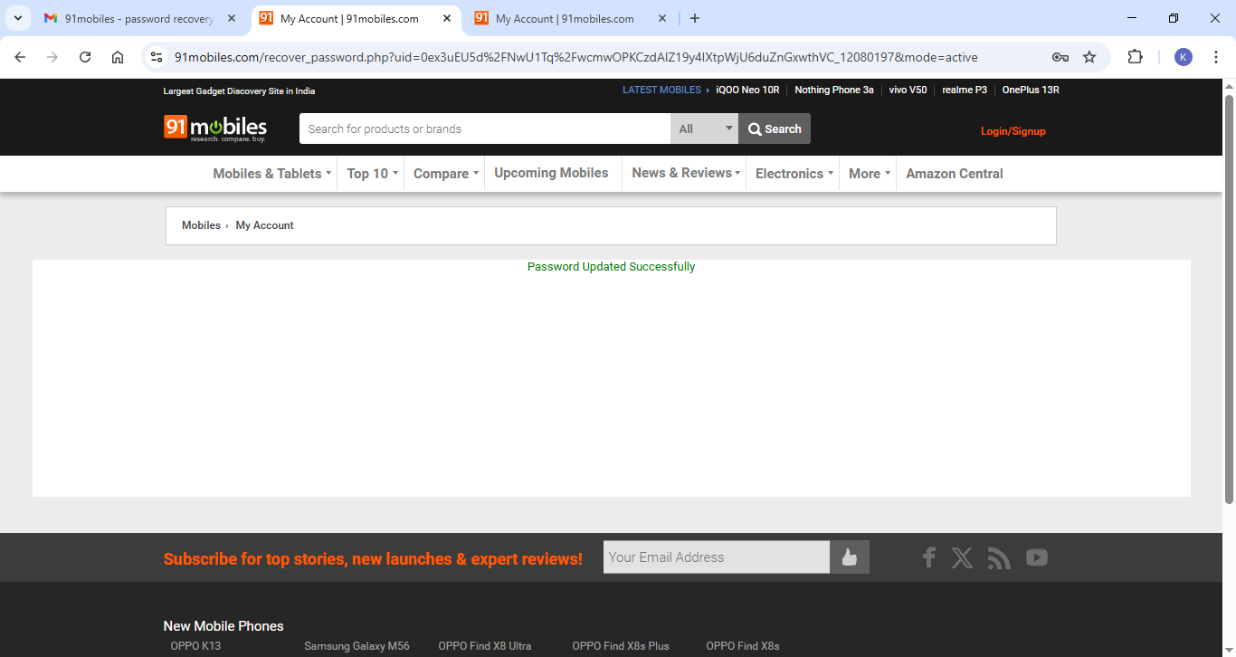 | Failed
TC_28 |  |  |  | Selecting 'Remember me' checkbox to disable | Open the website (https://www.91mobiles.com/) | 1. Click on Login/Signup 2. Go to Login tab 3. Enable and disable 'Remember me' checkbox | Should disable 'Remember Me' option | Found as per expectation |  |  | Passed
TC_29 |  |  |  | Checking visiting the site again by selecting 'Remember Me' | Open the website (https://www.91mobiles.com/) | 1. Click on Login/Signup 2. Go to Login tab 3. Fill all the fiels with valid credentials 4. Enable 'Remember me' 5. Visit the site again | Should remember credentials | Only remembered Email id |  | 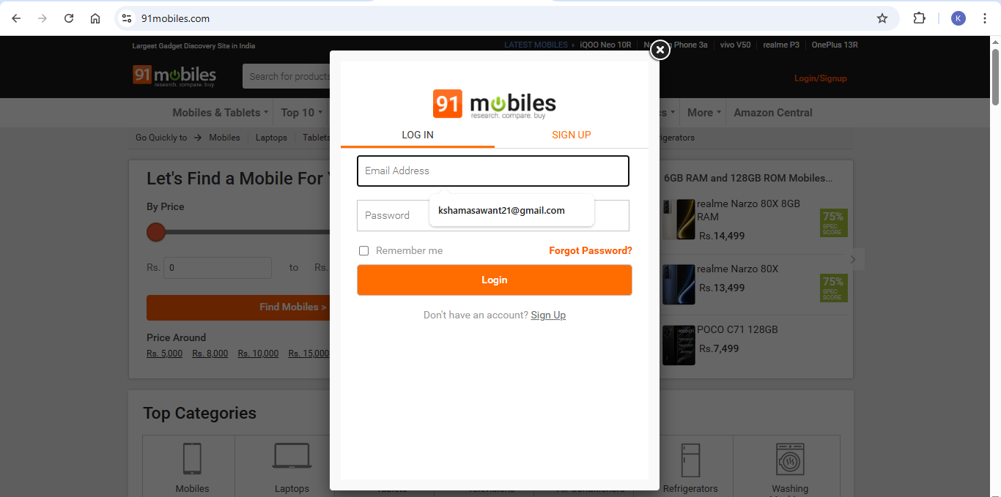 | Failed
 |  |  |  |  |  |  |  |  |  |  | -
TC_30 |  | UI Testing |  | Checking spelling or grammatical mistakes | Open the website (https://www.91mobiles.com/) | 1. Click on Login/Signup 2. Go to Login tab 3. Check the spelling or grammatical mistakes | No spelling or grammatical mistakes | Found as per expectation |  |  | Passed
TC_31 |  |  |  | Checking alignment of the fields | Open the website (https://www.91mobiles.com/) | 1. Click on Login/Signup 2. Go to Login tab 3. Check the alignment of the fields | Proper alignment of the fields should be present | Found as per expectation |  |  | Passed
 |  |  |  |  |  |  |  |  |  |  | -
TC_32 |  | Usability Testing |  | Checking copy paste functionality in every field | Open the website (https://www.91mobiles.com/) | 1. Click on Login/Signup 2. Go to Sign up tab 3. Copy paste text in every field | Should copy and paste text from fields | Found as per expectation |  |  | Passed
TC_33 |  |  |  | Checking keyboard tab button functionality | Open the website (https://www.91mobiles.com/) | 1. Click on Login/Signup 2. Go to Sign up tab 3. Enter tab in every field | Should switch to another field | Found as per expectation |  |  | Passed
TC_34 |  |  |  | Checking Sign up button functionality | Open the website (https://www.91mobiles.com/) | 1. Click on Login/Signup 2. Go to Sign up tab 3. Enter email id & password 4. Click on captcha & sign up | Button should work properly | Found as per expectation |  |  | Passed

 |  |  | Improvement Scopes | Should provide 'View password' function
 |  |  |  | A maximum length of the password should be define at Sign up

